Queries+Results
 | top 10 movies
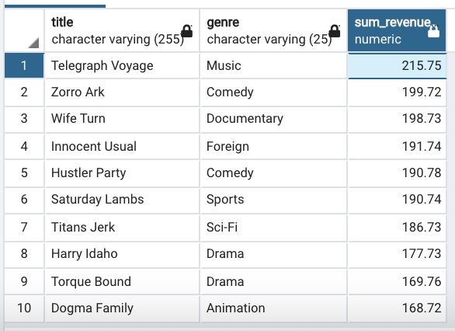
 | SELECT
 | D.title,
 | F.name AS genre, SUM(amount) AS sum_revenue
 | FROM
 | payment A
 | INNER JOIN rental B ON A.rental_id = B.rental_id
 | INNER JOIN inventory C ON B.inventory_id = C.inventory_id
 | INNER JOIN film D ON C.film_id = D.film_id
 | INNER JOIN film_category E ON D.film_id = E.film_id
 | INNER JOIN category F ON E.category_id = F.category_id
 | GROUP by D.title, genre
 | ORDER BY sum_revenue DESC
 | LIMIT 10

 | bottom 10 movies
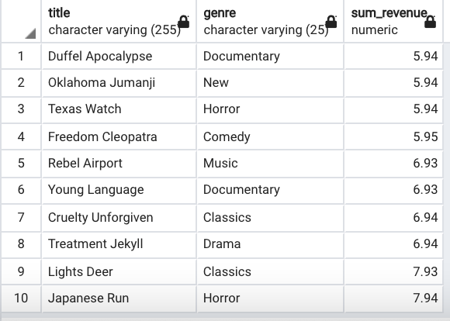
 | SELECT
 | D.title,
 | F.name AS genre, SUM(amount) AS sum_revenue
 | FROM
 | payment A
 | INNER JOIN rental B ON A.rental_id = B.rental_id
 | INNER JOIN inventory C ON B.inventory_id = C.inventory_id
 | INNER JOIN film D ON C.film_id = D.film_id
 | INNER JOIN film_category E ON D.film_id = E.film_id
 | INNER JOIN category F ON E.category_id = F.category_id
 | GROUP by D.title, genre
 | ORDER BY sum_revenue
 | LIMIT 10

 | Top 10 cities in top 10 countries

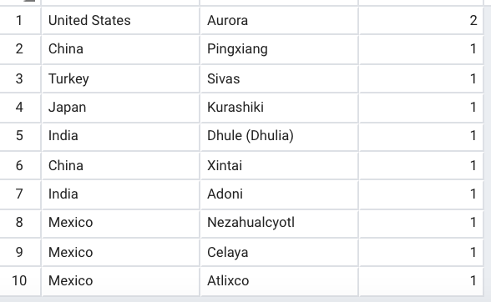
 | SELECT
 | D.country,
 | C.city,
 | COUNT (customer_id) AS total_customers
 | FROM customer A
 | INNER JOIN address B ON A.address_id = B.address_id
 | INNER JOIN city C ON B.city_id = C.city_id
 | INNER JOIN country D ON C.country_id = D.country_id WHERE country IN ('United States','Mexico','China','India','Japan','Turkey','Brazil')
 | GROUP BY city, country
 | ORDER BY total_customers DESC
 | LIMIT 10;

Genre Rental Breakdown

SELECT AVG(rental_duration) AS average_days_rented, C.name AS genre
FROM film A
INNER JOIN film_category B ON A.film_id = B.film_id
INNER JOIN category C ON B.category_id = C.category_id
GROUP BY genre
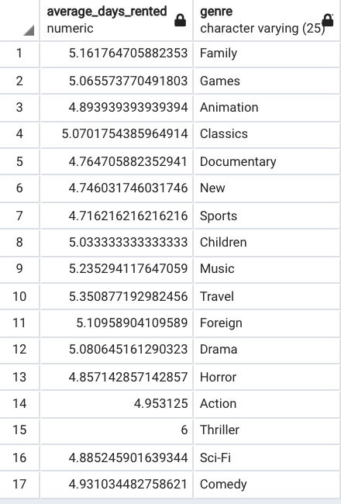
Genre | Days Rented
Family | 5.1617647059
Games | 5.0655737705
Animation | 4.8939393939
Classics | 5.0701754386
Documentary | 4.7647058824
New | 4.746031746
Sports | 4.7162162162
Children | 5.0333333333
Music | 5.2352941176
Travel | 5.350877193
Foreign | 5.1095890411
Drama | 5.0806451613
Horror | 4.8571428571
Action | 4.953125
Thriller | 6
Sci-Fi | 4.8852459016
Comedy | 4.9310344828

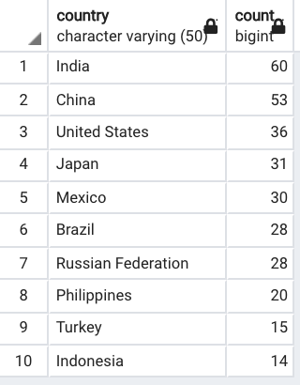
Top 10 countries

SELECT D.country, COUNT (customer_id)
FROM customer A
INNER JOIN address B ON A.address_id = B.address_id
INNER JOIN city C ON B.city_id = C.city_id
INNER JOIN country D ON C.country_id = D.country_id
GROUP BY country
ORDER BY COUNT (customer_id) DESC
LIMIT 10

